Indices

 | Iraq Stock Exchange
 | Bulletin No (171)

 | ISX Trading Indices of Sunday 28/9/2025

 | Traded Volume and OTC |  | 473,398,688 |  | Traded Value and OTC |  | 989,833,775 |  | Traders | 834

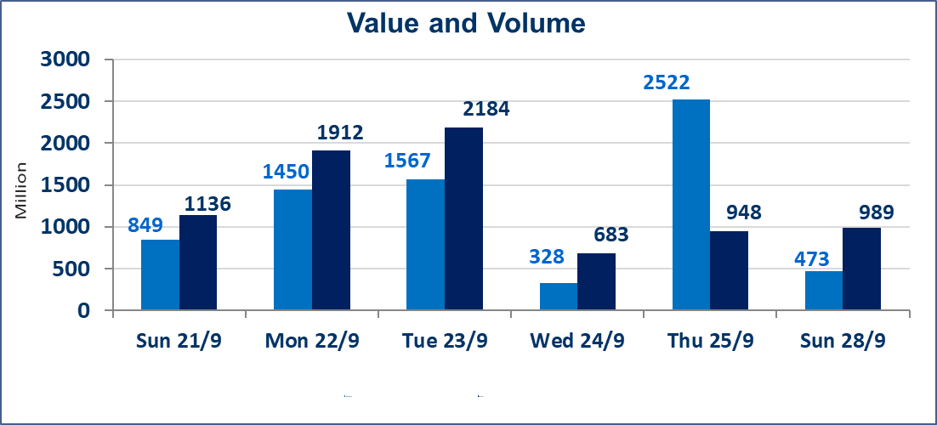
 | ISX Index 60 |  |  | 964.78 | ISX Index 15 |  |  | 1129.85
 | Previous ISX Index60 |  |  | 963.79 | Previous ISX Index15 |  |  | 1128.31
 | Change % |  |  | 0.10 | Change % |  |  | 0.14
 | Change |  |  | 0.99 | Change |  |  | 1.54

 | Listed Companies | 104 | OTC | 11 | Non Traded listed | 41 | OTC | 9
 | Traded Listed Companies | 42 | OTC | 1 | Higher Companies |  |  | 9
 | GAM Companies |  |  | 10 | Lower Companies |  |  | 7
 | Suspended Companies |  |  | 11
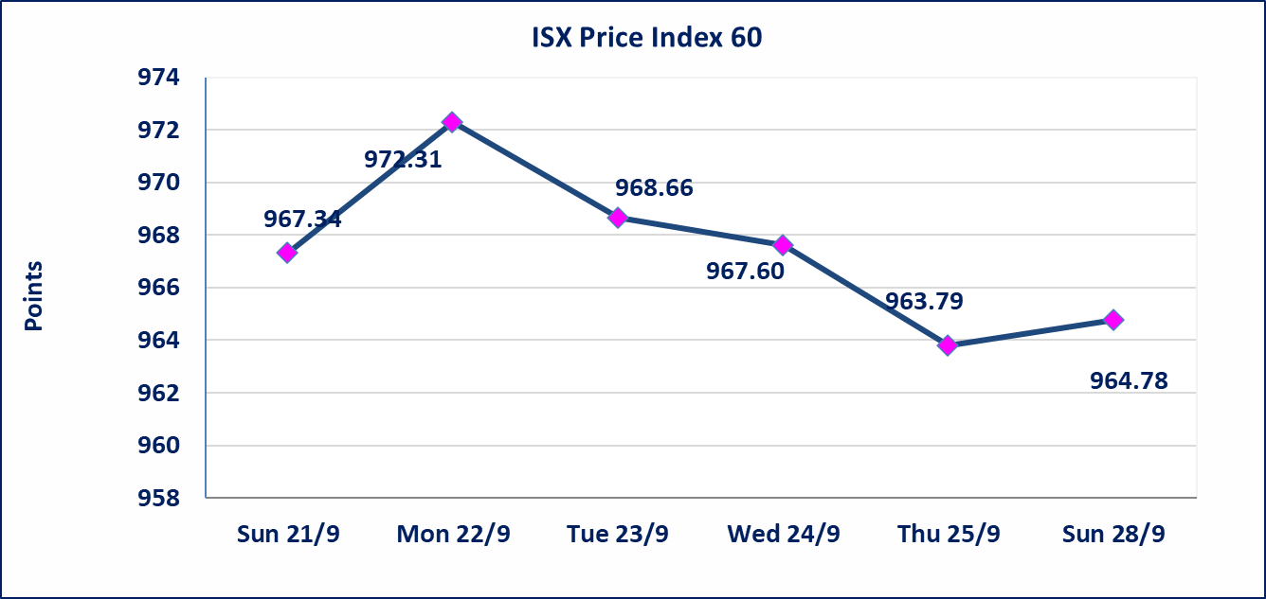
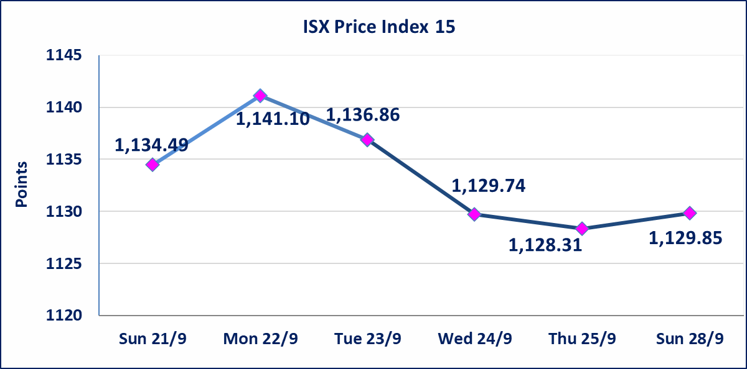

Al-Alwiya P.O . 3607 Mobile: 07711211522 - 07270094594 - 07834000034 E-mail: info-isx@isx-iq.net Web site:www.isx-iq.net

Top 5
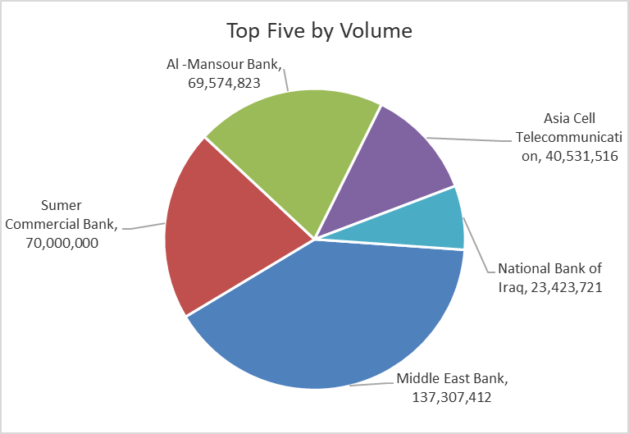
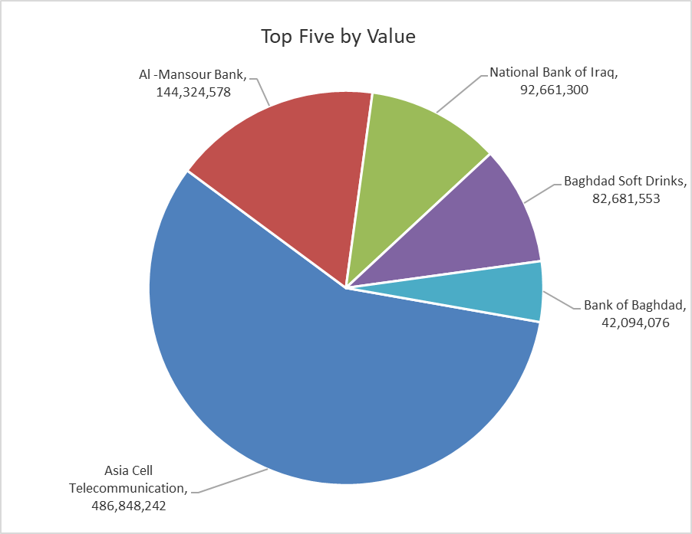
ISX top ganing and losing companies
Sunday 28/9/2025
Gainers |  |  |  | Losers
Company Name | Closing Price | Change (%) | Traded Volume | Company Name | Closing Price | Change (%) | Traded Volume
Metallic Industries and Bicycles | 2.200 | 4.76 | 907,289 | Al-Kindi of Veterinary Vaccines | 3.000 | -5.06 | 1,598,929
The Light Industries | 1.180 | 1.72 | 2,512,340 | Credit Bank Of Iraq | 0.720 | -4.00 | 11,740,238
AL-Badia for General Trans | 1.290 | 1.57 | 32,403 | union Bank of Iraq | 0.280 | -3.45 | 3,195
Baghdad Soft Drinks | 4.700 | 1.29 | 17,700,084 | Al-Ameen Estate Investment | 1.840 | -3.16 | 4,436,015
AL-Nukhba for Construction | 0.920 | 1.10 | 300,000 | Iraqi Islamic Bank | 1.030 | -1.90 | 3,000,000

The most active companies in term of traded volume and value

Traded Volume |  |  |  | Traded Value
Company Name | Closing Price | Change (%) | Traded Volume | Company Name | Closing Price | Change (%) | Traded Value
Middle East Bank | 0.060 | 0.00 | 137,307,412 | Asia Cell Telecommunication | 12.060 | -0.33 | 486,848,242
Sumer Commercial Bank | 0.080 | 0.00 | 70,000,000 | Al -Mansour Bank | 2.080 | 0.00 | 144,324,578
Al -Mansour Bank | 2.080 | 0.00 | 69,574,823 | National Bank of Iraq | 4.010 | 0.50 | 92,661,300
Asia Cell Telecommunication | 12.060 | -0.33 | 40,531,516 | Baghdad Soft Drinks | 4.700 | 1.29 | 82,681,553
National Bank of Iraq | 4.010 | 0.50 | 23,423,721 | Bank of Baghdad | 3.630 | 0.00 | 42,094,076

Non Iraqis

Iraq Stock Exchange
Non Iraqis' Bulletin Sunday Sept 28 2025
Regular Market

Non Iraqi Trading of Regular Market (Buy)
Company Names | Code | No.of trades | Traded Shares | Trading Volume
Telecommunication Sector
Asia cell | TASC | 1 | 745 | 8,940
Total Telecommunication sector |  | 1 | 745 | 8,940
Grand Total |  | 1 | 745 | 8940

Non Iraqi Trading of Regular Market (Sell)
Company Names | Code | No.of trades | Traded Shares | Trading Volume
Services Sector
Iraq Baghdad For General Transportation | SBPT | 1 | 100,000 | 3,300,000
Total Services sector |  | 1 | 100,000 | 3,300,000
Grand Total |  | 1 | 100000 | 3300000
Non Iraqi Trading of Second Market (Sell)
Company Names | Code | No.of trades | Traded Shares | Trading Volume
Industry sector
Fallujah for Construction Materials | IFCM | 36 | 4,600,000 | 14,582,000
Total Industry sector |  | 36 | 4,600,000 | 14,582,000
Grand Total |  | 36 | 4600000 | 14582000

